Sheet1
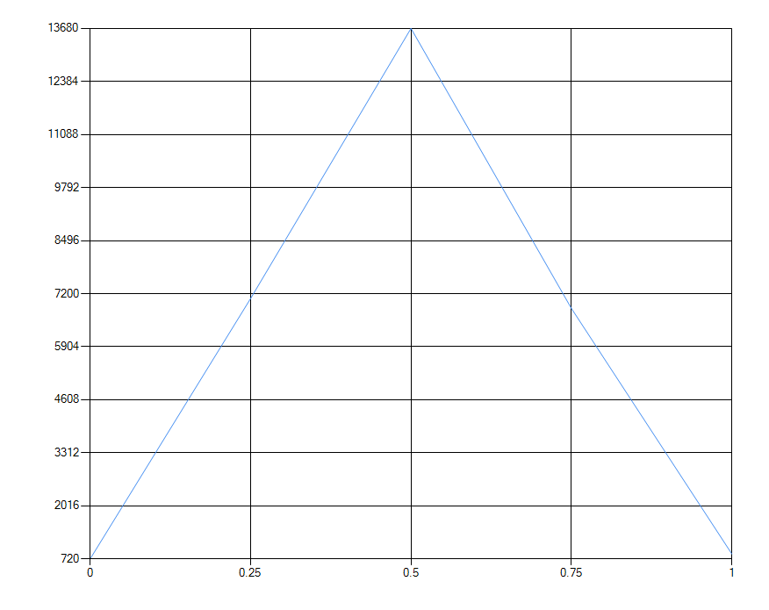
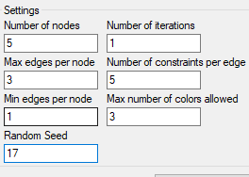
 | Satisfied Percentage | Count
 | 0 | 720
 | 0.25 | 7080
 | 0.5 | 13680
 | 0.75 | 6840
 | 1 | 840

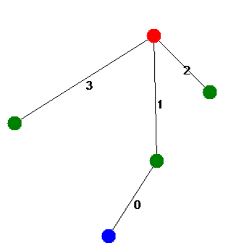

Edge 0 constraint: Constraint_MustBeOneOfEach(Color [Blue], Color [Red]) - Constraint_MustBeOneOfEach(Color [Red], Color [Red]) - Constraint_MustBeOneOfEach(Color [Green], Color [Blue]) -
Edge 1 constraint: Constraint_MustBeOneOfEach(Color [Red], Color [Green]) - Constraint_MustBeOneOfEach(Color [Green], Color [Red]) -
Edge 2 constraint: Constraint_MustBeOneOfEach(Color [Red], Color [Green]) - Constraint_MustBeOneOfEach(Color [Blue], Color [Blue]) -
Edge 3 constraint: Constraint_MustNotBeOneOfEach(Color [Green], Color [Green]) - Constraint_MustNotBeOneOfEach(Color [Green], Color [Green]) -

